TEDB Edition 40
Clean Cities is a locally-based government/industry partnership, coordinated by the U.S. Department of Energy to expand the use of alternatives to gasoline and diesel fuel. By combining the decision-making with voluntary action by partners, the "grass-roots" approach of Clean Cities departs from traditional "top-down" Federal programs.

Figure 6.1. Clean Cities Coalitions
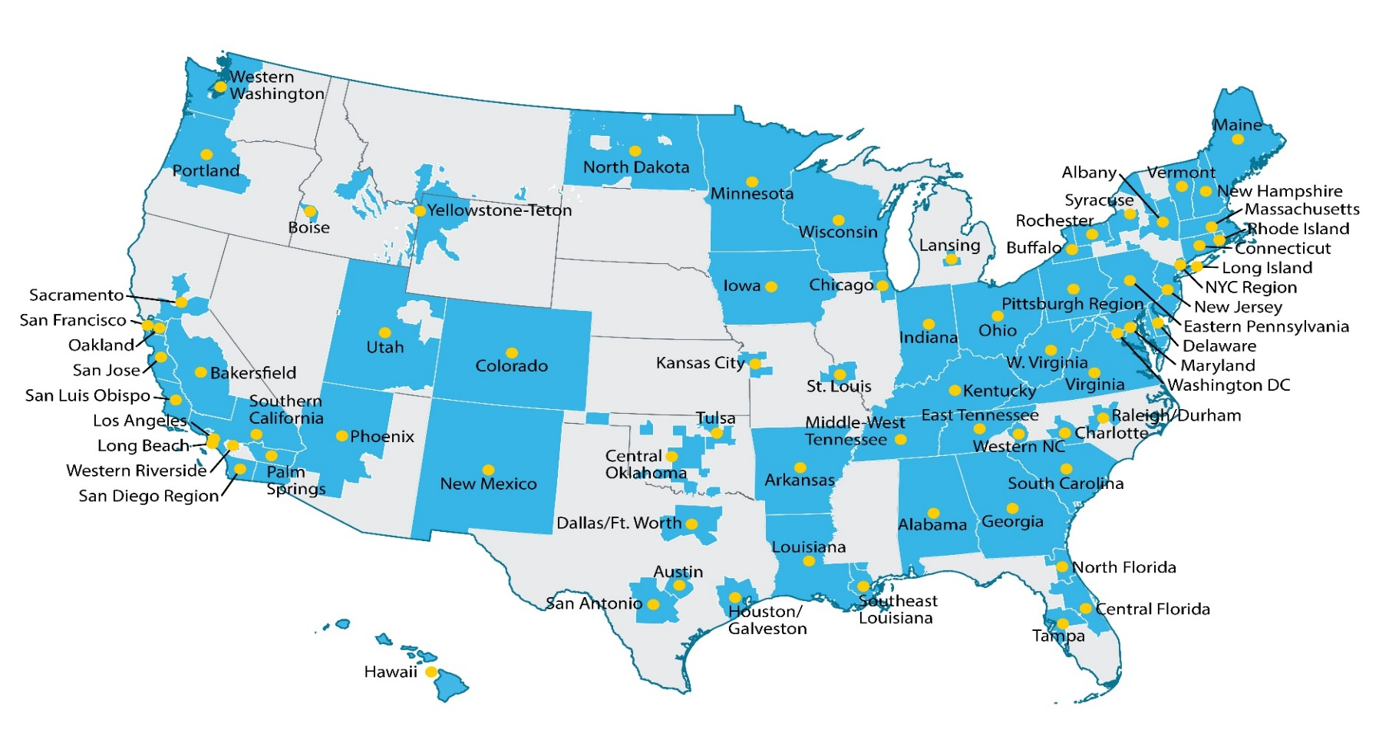

Coalition Name | Designation Date | Designation Order
Clean Cities-Georgia | 1993-09-08 | 1
Drive Clean Colorado, a Clean Cities Coalition | 1993-09-13 | 2
Eastern Pennsylvania Alliance for Clean Transportation | 1993-09-22 | 3
State of Delaware Clean Cities | 1993-10-12 | 4
Greater Washington Region Clean Cities Coalition | 1993-10-21 | 6
Massachusetts Clean Cities | 1994-03-18 | 7
Lone Star Clean Fuels Alliance (Central Texas) | 1994-04-18 | 8
Chicago Area Clean Cities | 1994-05-13 | 10
Land of Enchantment Clean Cities (New Mexico) | 1994-06-01 | 11
Wisconsin Clean Cities | 1994-06-29 | 12
Long Beach Clean Cities | 1994-08-31 | 14
Utah Clean Cities | 1994-10-03 | 16
State of Maryland Clean Cities | 1994-10-07 | 18
Kentucky Clean Cities Partnership | 1994-10-18 | 19
State of West Virginia Clean Cities | 1994-10-18 | 21
Sacramento Clean Cities Coalition | 1994-10-21 | 22
East Bay Clean Cities Coalition (Oakland) | 1994-10-21 | 23
San Joaquin Valley Clean Cities | 1994-10-21 | 24
San Francisco Clean Cities Coalition | 1994-10-21 | 25
Silicon Valley Clean Cities (San Jose) | 1994-10-21 | 26
Clean Communities of Western New York (Buffalo) | 1994-11-04 | 27
Columbia-Willamette Clean Cities | 1994-11-10 | 28
St. Louis Clean Cities | 1994-11-18 | 29
Connecticut Southwestern Area Clean Cities | 1994-11-21 | 30
Clean Communities of Central New York (Syracuse) | 1995-06-15 | 36
Dallas-Fort Worth Clean Cities | 1995-07-25 | 37
Sustainable Transportation Coalition of Hawaii | 1995-08-29 | 38
Greater New Haven Clean Cities Coalition | 1995-10-05 | 40
Arkansas Clean Cities | 1995-10-25 | 41
Pittsburgh Region Clean Cities | 1995-12-05 | 43
Southern California Clean Cities Coalition | 1996-03-01 | 44
Los Angeles Clean Cities Coalition | 1996-03-22 | 45
Clean Cities Coachella Valley Region | 1996-04-22 | 46
Northern Colorado Clean Cities Coalition | 1996-05-21 | 47
Central Oklahoma Clean Cities (Oklahoma City) | 1996-05-29 | 48
Virginia Clean Cities | 1996-10-04 | 49
Greater Long Island Clean Cities | 1996-10-18 | 50
San Diego Regional Clean Cities Coalition | 1996-12-12 | 51
Houston-Galveston Clean Cities | 1997-09-04 | 55
Maine Clean Communities | 1997-09-04 | 56
Tulsa Clean Cities | 1997-09-22 | 57
Valley of the Sun Clean Cities Coalition (Phoenix) | 1997-10-08 | 58
Western Riverside County Clean Cities Coalition | 1997-10-24 | 59
New Jersey Clean Cities Coalition | 1997-10-30 | 60
Greater Rochester Clean Cities | 1998-05-28 | 62
North Dakota Clean Cities | 1998-08-10 | 63
Western Washington Clean Cities | 1998-08-13 | 64
Ocean State Clean Cities | 1998-09-14 | 65
Kansas City Regional Clean Cities | 1998-11-18 | 67
Capital District Clean Communities Coalition (Albany) | 1999-04-26 | 70
Statewide Indiana Program | 1999-06-15 | 71
Capitol Clean Cities of Connecticut | 1999-06-21 | 72
Central Florida Clean Cities Coalition | 1999-10-01 | 75
Alamo Area Clean Cities (San Antonio) | 1999-11-10 | 77
Louisiana Clean Fuels | 2000-04-12 | 78
Triangle Clean Cities (Raleigh, Durham, Chapel Hill) | 2001-03-19 | 80
Minnesota Clean Cities Coalition | 2001-05-31 | 81
Vermont Clean Cities | 2001-06-25 | 82
Clean Fuels Ohio | 2002-04-12 | 83
Granite State Clean Cities Coalition | 2002-05-31 | 84
Yellowstone-Teton Clean Cities Coalition | 2002-09-18 | 85
Empire Clean Cities | 2003-04-22 | 87
Greater Lansing Area Clean Cities | 2003-09-26 | 88
Palmetto Clean Fuels Coalition | 2004-01-28 | 89
East Tennessee Clean Fuels Coalition | 2004-10-12 | 92
Middle-West Tennessee Clean Fuels Coalition | 2004-10-13 | 93
Centralina Clean Fuels Coalition | 2004-10-15 | 94
Iowa Clean Cities Coalition | 2005-10-15 | 96
Treasure Valley Clean Cities | 2006-08-22 | 97
Central Coast Clean Cities Coalition | 2006-08-25 | 98
Southeast Louisiana Clean Fuel Partnership | 2008-03-26 | 99
Alabama Clean Fuels Coalition | 2009-10-20 | 100
Land of Sky Clean Vehicles Coalition (Western North Carolina) | 2012-07-26 | 101
Tampa Bay Clean Cities Coalition | 2014-07-31 | 102
North Florida Clean Fuels Coalition | 2016-04-12 | 103

Source:
U.S. Department of Energy, Clean Cities website, “Clean Cities Coalition Locations,” cleancities.energy.gov/coalitions/locations, February 2022. (Additional resources: cleancities.energy.gov)

